Instructions (Steps to Take)
Application for an Individual Variance from Base Numeric Nutrient Criteria

Instructions: Review the instructions below for an overview of each step that needs to be taken for the economic analysis of an individual variance for a public wastewater facility. Then, start at Worksheet A and work through each of the worksheets until you finish the analysis at Worksheet I-Remedy. The next tab after this one--the 'Summary Worksheet' tab--is to be filled out after you work through each worksheet in order to summarize your results. For a Non-Degredation analysis, go directly to the second to last tab labeled "Non-Deg", read the instructions, and then start at Worksheet A.

Summarized below are the steps that need to be taken for a public wastewater facility to apply for an individual variance to meet base numeric nutrient criteria. Also provided to the right is a flowchart that summarizes steps 1-6 (but leaves out steps 7 and 8). It is highly recommended that you look through the DEQ Guidance on Nutrient Standards located at ___. You may also want to read through the complete 'EPA Interim Economic Guidance for Water Quality Standards' (EPA Guidance) which can be found at http://www.epa.gov/waterscience/standards/econworkbook/. The worksheets provided in this Excel document correspond to the EPA Guidance, although it is important to note that several key changes have been made from the EPA Guidance in various sections of this worksheet in order to tailor this analysis to Montana's needs. Therefore, although the EPA Guidance is helpful to read through, it is the worksheets in this Excel file that must be used to apply for an individual variance in Montana.

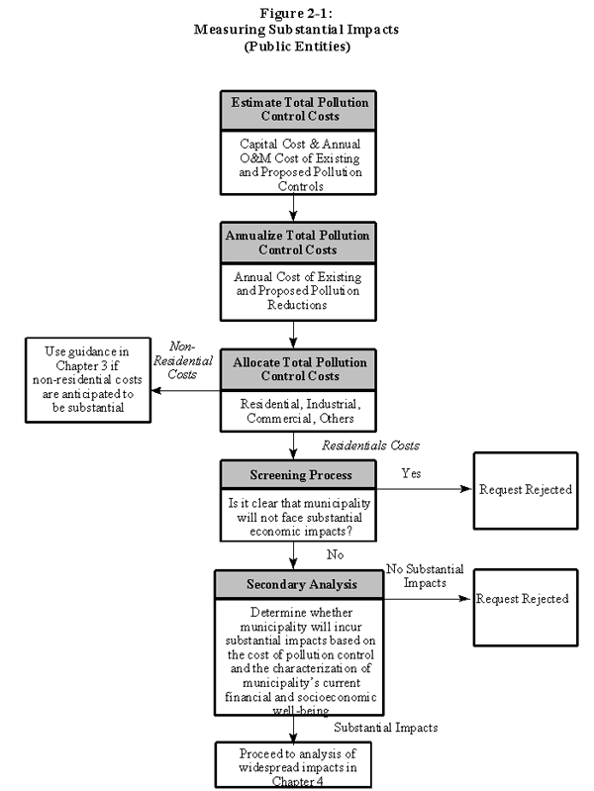
OVERALL STEPS SUMMARY | NOTES

Steps 1-2: Describe and Cost Out Project

Step 1: Verify Project Costs for meeting Base Numeric Nutrient Standards and Calculate the Annual Cost of the Pollution control project | See Worksheets A and B

Step 2: Calculate Total Annualized Pollution Control Costs Per Household | Use Worksheet C. Calculate this amount using your own numbers or the representative 'WERF cost numbers' in Worksheet B

Steps 3-5: The Substantial Test
Step 3: Calculate and Evaluate the Municipal Preliminary Screener Score | Use Worksheet D.

Step 4: Apply the Secondary Test - This measurement incorporates a characterization of the the socio-economic and financial well-being of households in the community. | Use Worksheets E and F. The ability of a community to finance a project will be dependent upon existing household financial and socio-economic conditions within that community.

Step 5: Assess where the community falls in The Substantial Impacts Matrix - This matrix evaluates whether or not communities are expected to incur 'substantial' economic impacts due to the implementation of the pollution control costs. If the applicant cannot demonstrate 'substantial' impacts, then they will be required to meet base numeric nutrient water quality standards. If they can demonstrate 'substantial' economic imapcts, then the applicant moves on to the Widespread Test. | Use Worksheet G. The evaluation of substantial impacts resulting from public entity compliance with base numeric nutrient water quality standards includes two elements, 1) financial impacts to the public entity (reflected in increased household wastewater fees through the Municipal Preliminary Screener Score) and 2) current socioeconomic conditions of the community reflected through the secondary score. Governments have the authority to levy taxes and distribute pollution control costs among households and businesses according to the tax base. Similarly, sewage authorities charge for services, and thus can recover pollution control costs through users fees. Whether or not the community faces substantial impacts depends on both the cost of the pollution control and the general financial and economic health of the community.

Step 6-Widespread Test
Step 6: If impacts are expected to be substantial from meeting base numeric nutrient criteria, then the applicant goes on to demonstrate whether impacts are also expected to be 'widespread'. | Estimated changes in socio-economic indicators as a result of the substantial impacts (additional pollution control costs) will be used to determine whether widespread impact has occurred

Step 7-8: Remedy

Step 7: Calculate the sliding scale number. If a permittee has demonstrated that substantial and widespread economic impacts would occur if they were to comply with the base numeric nutrient standards, and there are no reasonable alternatives to discharging, then the cost the permittee will need to expend towards the pollution control project will be based on a sliding scale found in Worksheet I-Remedy.

Step 8: DEQ will evaluate options and select the alternative that would result in the highest water quality treatment that does not trigger substantial and widespread economic impacts. For the town, determine current MHI percent of wastewater bill, current treatment level and current treatment technology of the WWTP (Worksheets A-D). The difference between the current MHI percent and the cost cap MHI from the sliding scale is the additional money that would be expected to be spent improving water quality.

Non_Deg
Non-Degredation for a Public Entity

Antidegradation is not a "no growth" rule and was never designed nor intended to be one. It is a policy that allows the public to make decisions about important environmental actions. Where the State intends to provide for development, it may decide that some lowering of water quality in "high-quality waters" is necessary to accommodate important economic or social development. Any such reduction in water quality, however, must protect existing uses fully and must satisfy the requirements for intergovernmental coordination and public participation.

To determine if water quality can be lowered for a new public development, the same tests are used as in this worksheet. However, the questions asked are slightly different.

Questions:
(1) Will the pollution controls needed to maintain the high-quality water interfere substantially with the proposed public development in a way that compromises the community's current financial and socioeconomic well-being ? (Analogous to secondary test for Substantial Impacts)

(2) Is the proposed public development important economically and socially to the study area? (Analagous to Widespread Impacts Test)

The tests used to demonstrate 'interference' and 'importance' are the same as those used
to demonstrate substantial and widespread impacts. The difference is, however, that an
antidegradation review considers situations that would improve the current economic condition
as opposed to hurting them.

If the answer is no to either of questions 1 or 2 above, then the analysis is over---no degradation of water quality is necessary.
If the answer is yes to both questions, then the tests must show that the public development interfered with by the pollution controls necessary to prevent degradation is an important economic and social development.

To answer question (1), please complete Worksheets A through F, and the Substantial Impacts Matrix.
To answer question (2), please complete the DEQ Widespread Criteria worksheet.
Complete the summary information on tab following this one entitled 'Non_deg Summary'.

An antidegradation review must determine that the lowering of water quality is necessary in order to accommodate important economic or
social development in the area in which the waters are located.

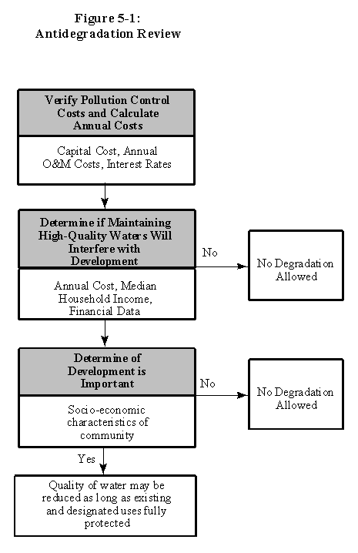
While the terminology is different, the tests to determine substantial and widespread
economic impacts (used when removing a use or granting a variance) are basically the
same as those used to determine if there might be interference with an important social
and economic development (antidegradation). As such, antidegradation analysis is the
mirror image of the analyses described in Chapters 2, 3 and 4 of the EPA Guidance.
Variences and downgrades
refer to situations where additional treatment needed to meet standards may result in
worsening economic conditions; while antidegradation refers to situations where lowering
water quality may result in improved social and economic conditions.

When performing an antidegradation review, the first question is whether the pollution
controls needed to maintain the high-quality water will interfere with the proposed
development. If not, then the lowering of water quality is not warranted. If, on the other
hand, the pollution controls will interfere with development, then the review must show
that the development would be an important economic and social one. These two steps
rely on the same tests as the determination of substantial and widespread impacts.

The analytic approach presented here can be used for a variety of public-sector and private sector
entities, including POTWs, commercial, industrial, residential and recreational land
uses, and for point and nonpoint sources of pollution.

