Instructions
Instructions
Contractor-Facility Information
Well Abandonment Estimator
Links of Interest
 | Petroleum Tank Release Compensation Board STATE OF MONTANA
 | Well Abandonment Form (WAF) - Instructions

Workbook Design
Yellow Input Cells & Protected Cells
All cells within this workbook are protected and cannot be edited unless the cell is the color yellow. Any attempt to change a cell that is not yellow will prompt you with an error stating that the cell is "read only." The only exceptions to this rule are hyperlinks that are blue buttons located on the header of each worksheet or blue underlined links located in the Links of Interest worksheet.

Contractor-Facility Information
Contractor-Facility Data Input
Fill in the all yellow cells that pertain to the contractor and facility information. The cost per well, cost per foot, and total project costs will be populated automatically once the well abandonment estimator portion of the workbook has been completed. A signature and date will be required by the facility owner, operator, or authroized representative.

Well Abandonment Estimator
I. Yellow Input Cells
You will find yellow input cells under the Well Dimensions, Bentonite Dimensions, and Well Abandonment Unit Cost Worksheet Headings. The purpose of the yellow input cells is to separate the inputs (yellow input cells) from the calculations (dark grey w/ white text cells). Thus, the yellow input cells will have no formula and only serve the purpose as a variable for calculations.

II. Instructions Embedded in Well Abandonment Estimator
Hover the mouse above the little red triangles in the upper right-hand corner of the cells in the column headers to display the instructions for that particular column of cells.

Once the mouse is hovered over a red triangle, the instructions will display a comment box as seen below.
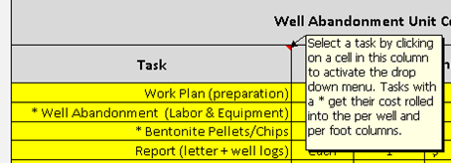

III. Well Dimensions
Values must be entered in the following yellow input cells in the Well Dimensions group. Values entered in these cells will allow the worksheet to automatically calculate the volume per well and total volume for all wells.

The volume calculations can be found at the bottom of the Well Abandonment Estimator worsheet.

IV. Bentonite Dimensions
A value will need to be entered in the yellow input cell for * Linear Feet of Backfill/Surface Material per Well. A value entered will automatically calculate the bentonite needed per well and the total number of bentonite bags required. If no value is entered or is zero, then the estimator assumes bentonite will be used up to the surface. Using the quantity of bags that is generated for * Bentonite Pellets/Chips is optional when estimating your costs under the Well Abandonment Unit Cost Worksheet header.

The bentonite bag calculations can be found at the bottom of the Well Abandonment Estimator worksheet.
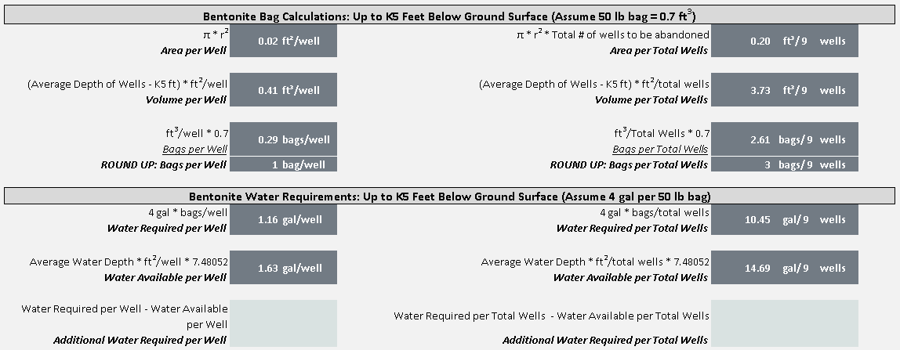

V. Well Abandonment Unit Cost Worksheet
Under the Task header, select a task by clicking on a cell in this column to activate the drop down menu. Costs associated with tasks that have * asterisks will be rolled into the per well and per foot columns.

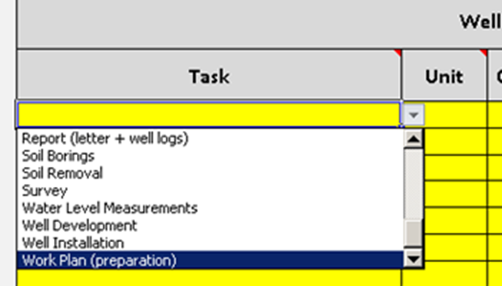

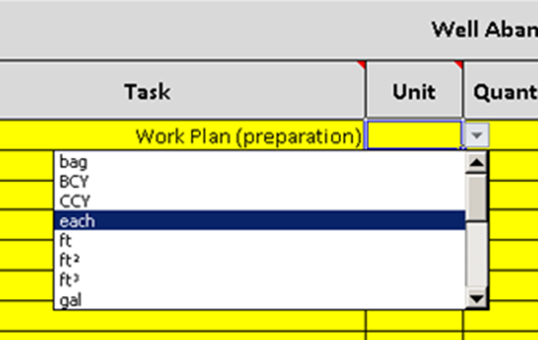
Under the Unit header, select a unit by clicking in this column to activate the drop down menu.

Under the Quantity header, manually enter the quantity of units. Under the Unit Price header, manually enter the price per unit. Once all four of these fields in a particular row have data, then the cost, cost per well, and cost per foot will be calculated automatically (dark grey cells with white text).

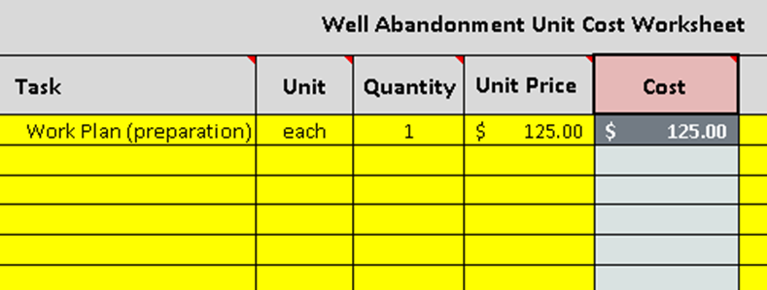

If there isn't enough information provided in the task name, then additional information can be typed in the yellow input cells under the Remarks header.

VI. * Well Abandonment (Labor & Equipment): Costs per Well or per Foot
This task can include any labor, equipment, and materials for the proper closure of all types of wells in accordance with the Montana Department of Natural Resources and Conservation requirements. This task should include removal of the manhole and protective cover, removal or filling of casing, and re-surface completion. The above Unit Cost Worksheet provides tasks to choose from with a drop down arrow once the cell is selected. Task names chosen with a * asterisks will automatically get their costs rolled into a Cost per Well or per Foot rate in the right hand columns. Note that mobilization is required to have its own task when possible (see VII. below for more information).

VII. * Bentonite Pellets/Chips: Linear Feet of Bentonite vs Linear Feet of Backfill/Surface Material per well
* Bentonite Pellets/Chips can be found under the Bentonite Dimensions header and can also be found as a task name under the Task header called * Misc (Bentonite Pellets/Chips). All costs related to bentonite will automatically get rolled into the Cost per Well or per Foot columns. **Note that the bentonite bag calculation does not affect the calculations for the Well Abandonment Unit Cost Worksheet, thus you will be required to enter your own unit and quantity when * Misc (Bentonite Pellets/Chips) is chosen from task drop down list. Bentonite can be calculated two ways. You can either roll it into the * Well ABandonment (Labor & Equipment) task or estimate the benonite costs by individually by choosing the task * Misc (Bentonite Pellets/Chips).

VIII. Drill Rig Mob/Demob & Drill Rig Support Vehicle
The old AC-08 had asked you provide a cost per well that included all costs. One of the main reasons PTRCB desinged this worksheet was to separate well abandonment costs from all other costs. Use the Drill Rig Mob/Demob & Drill Rig Support Vehicle tasks for well abandonment mobilization in order to avoid rolling those costs into the per well costs. There may be times where the where the mobilzation can't be broken if the subcontracted well abaondonment costs were lumped summed. PTRCB will accept a lump sum submission with a * Well Abandonment task since PTRCB has tools to back at the estimated mobilization costs in order to record a more accurate cost per well.

If well abandonment is not subcontracted or the subcontractor bid disloses the mobilization, then use one of these mobilization tasks. Also, notice when these tasks are chosen, the costs don't get rolled into the well abandonment cost per well.

If for any reason the mobilization can't be separated from the well abandonment costs, then use one of these tasks. Notice how both the well abandonment and mobilization costs get rolled into the per well costs. This will be acceptable since PTRCB has the tools to back the mobilization as an estimate.

Links of Interest
Web Links Pertaining to Well Abandonment
You will find multiple links that will bring you to rule, law, log report, Board of Water Well Contractors, PTRCB, and DEQ.

Contractor-Facility Information
Instructions
Contractor-Facility Information
Well Abandonment Estimator
Links of Interest
Petroleum Tank Release Compensation Board STATE OF MONTANA
Well Abandonment Form (WAF) - Facility Information

This Well Abandonment Form (WAF) is used for routine abandonment of monitoring wells that no longer needed for petroleum release investigation or cleanup, and the owner/operator does not want to retain responsibility and use of wells for other purposes. Monitoring wells, to which this WAF applies, include groundwater monitoring wells, soil vapor extraction wells, recovery wells, observation wells, sparge/injection wells, and piezometers.
Administrative Rule s of Montana (ARM) 36.21.810 sets forth the legal requirements for properly abandoning monitoring wells. ARM 36.21.810 may be found at the Links of Interest page or may be found at the following internet address:
http://www.mtrules.org/gateway/ruleno.asp?RN=36%2E21%2E810
Submit the WAF with your corrective action plan. Please note that incomplete and/or unsigned WAFs will be returned and may delay processing of claims submitted to the Petroleum Tank Release Compensation Board.

 |  | Facility ID Number:
 |  | Release Number:
 |  | Work Plan ID Number:

Facility Name:

Facility Address:

Owner/Operator Name:

Owner/Operator Mailing Address:

Consultant's Name, Address, and Phone Nubmer:

List monitoring wells to be abandoned (well name and number, e.g. MW1, RSW1, etc.):

List monitoring wells to be maintained (well name and number, e.g. MW1, RSWI, etc.):

Specify the method by which the monitoring wells will be abanonded:

Target date for abandonment of the monitoring well(s):

Will the well abandonment activity be subcontracted?
Yes or No | no

Unit cost per monitoring well for abandonment (include portland cement, grout or bentonite, equipment, and consultant or contractor
labor costs): | Cost per Well |  | /well | Cost per Foot |  | /ft

Total cost of abandoning the above-listed monitoring wells:

I elect to maintain the monitoring wells located at the above-referenced Facility and will monitor the wells at least every three years and in accordance with applicable requirements of the Montana Department of Natural Resources & Conservation Division. |  |  |  |  | Yes or No
 |  |  |  |  |  | 4

I elect to abandon the monitoring wells located at the above-referenced Facility and certify that the above-referenced monitoring wells are to be properly abandoned in accordance with the provisions ARM 36.21.810 and other applicable requirements of the Montana Department of Natural Resources & Conservation Division. |  |  |  |  | Yes or No
 |  |  |  |  |  | 0

Signature of Facility owner, operator, or authorized representative: |  |  |  |  | Date:

Well Abandonment Estimator
Contractor-Facility Information
Instructions
Well Abandonment Estimator
Links of Interest
Petroleum Tank Release Compensation Board STATE OF MONTANA
 | WAF - Well Abandonment Estimator

Well Dimensions |  |  |  |  | Bentonite Dimensions
Total Number of Wells to be Abandoned |  | well |  |  | * Linear Feet of Backfill/Surface Material per Well |  |  |  | ft/well
Average Well Casing Diameter (inches) |  | in/well |  |  | * Linear Feet of Bentonite Sealing Material per Well |  |  |  | ft/well
Average Depth of Wells (feet) |  | ft/well |  |  | * Bentonite Pellets/Chips |  |  |  | bags
Average Depth to Groundwater (feet) |  | ft/well
Average Water Depth (feet) |  | ft/well

* Asterisks included with a task name will ge their cost rolled into the well abandonment cost colums -->
Well Abandonment Unit Cost Worksheet |  |  |  |  |  |  | * Well Abandonment Costs
Task | Unit | Quantity | Unit Price |  | Cost | Remarks | Per Well | Per Foot | Standardized Task Name |  | VLOOKUP Task List
 |  |  |  |  |  |  |  |  | #N/A |  | #N/A
 |  |  |  |  |  |  |  |  | #N/A |  | #N/A
 |  |  |  |  |  |  |  |  | #N/A |  | #N/A
 |  |  |  |  |  |  |  |  | #N/A |  | #N/A
 |  |  |  |  |  |  |  |  | #N/A |  | #N/A
 |  |  |  |  |  |  |  |  | #N/A |  | #N/A
 |  |  |  |  |  |  |  |  | #N/A |  | #N/A
 |  |  |  |  |  |  |  |  | #N/A |  | #N/A
 |  |  |  |  |  |  |  |  | #N/A |  | #N/A
 |  |  |  |  |  |  |  |  | #N/A |  | #N/A
 |  |  |  |  |  |  |  |  | #N/A |  | #N/A
 |  |  |  |  |  |  |  |  | #N/A |  | #N/A
 |  |  |  |  |  |  |  |  | #N/A |  | #N/A
 |  |  |  |  |  |  |  |  | #N/A |  | #N/A
 |  |  |  |  |  |  |  |  | #N/A |  | #N/A
 |  |  |  |  |  |  |  |  | #N/A |  | #N/A
 |  |  |  |  |  |  |  |  | #N/A |  | #N/A
Total Projected Costs |  |  |  |  |  | Total

Monitoring Well Volume Calculations
π * r2 * h |  |  |  |  |  |  | π * r2 * h * Total # of wells to be abandoned |  |  | wells
Volume per Well |  |  |  |  |  |  | Volume per Total Wells

Bentonite Bag Calculations: Up to K5 Feet Below Ground Surface (Assume 50 lb bag = 0.7 ft3)
π * r2 |  |  |  |  |  |  | π * r2 * Total # of wells to be abandoned |  |  | wells
Area per Well |  |  |  |  |  |  | Area per Total Wells

(Average Depth of Wells - K5 ft) * ft2/well |  |  |  |  |  |  | (Average Depth of Wells - K5 ft) * ft2/total wells |  |  | wells
Volume per Well |  |  |  |  |  |  | Volume per Total Wells

ft3/well * 0.7 |  |  |  |  |  |  | ft3/Total Wells * 0.7 |  |  | wells
Bags per Well |  |  |  |  |  |  | Bags per Total Wells
ROUND UP: Bags per Well |  | bags/well |  |  |  |  | ROUND UP: Bags per Total Wells |  | bags/ | wells

Bentonite Water Requirements: Up to K5 Feet Below Ground Surface (Assume 4 gal per 50 lb bag)
4 gal * bags/well |  |  |  |  |  |  | 4 gal * bags/total wells |  |  | wells
Water Required per Well |  |  |  |  |  |  | Water Required per Total Wells

Average Water Depth * ft2/well * 7.48052 |  |  |  |  |  |  | Average Water Depth * ft2/total wells * 7.48052 |  |  | wells
Water Available per Well |  |  |  |  |  |  | Water Available per Total Wells

Water Required per Well - Water Available per Well |  |  |  | Water Required per Total Wells - Water Available per Total Wells |  |  |  |  |  | wells
Additional Water Required per Well |  |  |  |  |  |  | Additional Water Required per Total Wells

Links of Interest
Contractor-Facility Information
Instructions
Well Abandonment Estimator
Links of Interest
 | Petroleum Tank Release Compensation Board STATE OF MONTANA
WAF - Links of Interest

Montana Code Annotated - Title 37. Professions and Occupations - Chapter 43. Water Well Contractors
http://leg.mt.gov/bills/mca_toc/37_43.htm

37-43-302, MCA - License required
http://leg.mt.gov/bills/mca/37/43/37-43-302.htm

Administrative Rules of Montana - Board of Water Well Contractors - Rule Chapter: 36.21
http://www.mtrules.org/gateway/ChapterHome.asp?Chapter=36.21

36.21.810 Abandonment
http://www.mtrules.org/gateway/ruleno.asp?RN=36.21.810

Board of Water Well Contractors - Website
http://dnrc.mt.gov/divisions/water/operations/board-of-water-well-contractors

Montana Well Log Report
http://dnrc.mt.gov/divisions/water/operations/board-of-water-well-contractors/divisions/water/operations/docs/bwwc/603-r2-04-1.pdf
...

